Sheet1
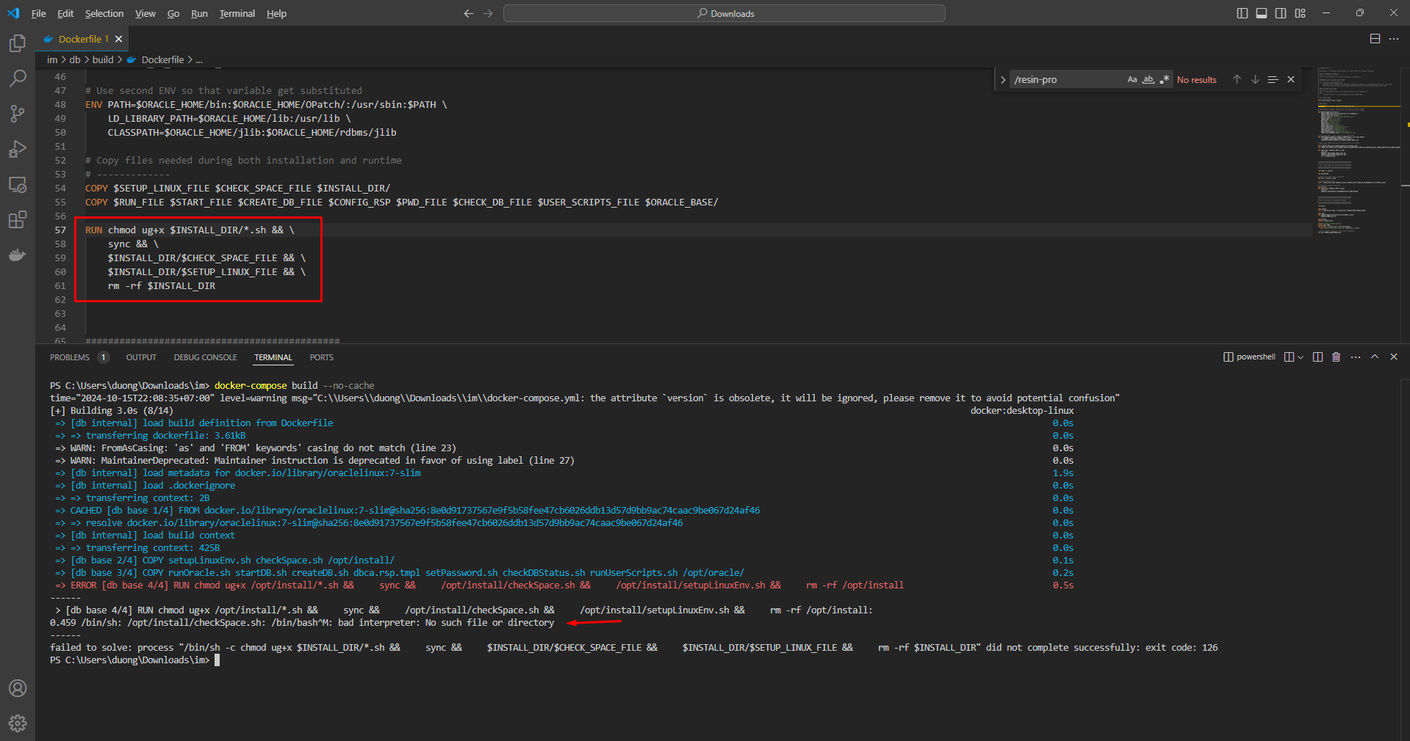
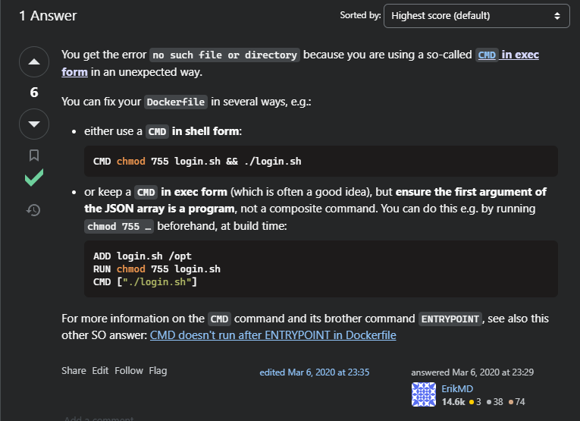
I try to run the /opt/install/checkSpace.sh file using Dockerfile but I get the error no such file or directory
$INSTALL_DIR/$CHECK_SPACE_FILE = /opt/install/checkSpace.sh
this's the solution
 | replace RUN to CMD

